6201 EC-BUS
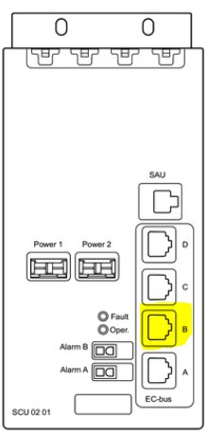

Ec-Bus Cable types

RPM 777 01/* | Signal cable | 1 per unit

Multi-Sector configurations
 | 6201
 | Cabinet 1

 | SHU | SCU EC-bus A | PDU 1 |  |  | DUG 1 | DUG 2 | DUG 3
 | A | 1 | 2 | 3 | 4 | 5 | 6 | 7 | 8
 | B | 1 | 2 | 3 | 4 | 5 | 6 | 7 | 8
 |  | DUW U900 | PDU 2

 | Cabinet 2

 | SHU | SCU EC-bus A | PDU 1 |  |  | 6630 VF | 6630 5G Tef
 | A | 1 | 2 | 3 | 4 | 5 | 6 | 7 | 8
 | B | 1 | 2 | 3 | 4 | 5 | 6 | 7 | 8
 |  | 6630 Tef | PDU 2

 |  | DUW U2100 |  | SCU EC-bus B

1-Sector configurations
 | 6201
 | Cabinet 1

 | SHU | SCU EC-bus A | PDU 1 |  |  | 6630 VF | DUG 1 | DUW U900
 | A | 1 | 2 | 3 | 4 | 5 | 6 | 7 | 8
 | B | 1 | 2 | 3 | 4 | 5 | 6 | 7 | 8
 |  | 6630 Tef | PDU 2

 | DUW U2100 |  | SCU EC-bus B
 | 6630 5G Tef |  | SCU EC-bus E

6102 EC-BUS
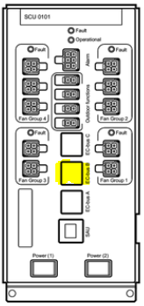

Ec-Bus Cable types

RPM 777 01/* | Signal cable | 1 per unit

Multi-Sector configurations
 | 6102
 | Cabinet 1

 | SHU | SCU EC-bus A | PDU 1 | PSU 1 | PSU 3 | DUG 1 | DUG 2 | DUG 3
 | A | 1 | 2 | 3 | 4 | 5 | 6 | 7 | 8
 | B | 1 | 2 | 3 | 4 | 5 | 6 | 7 | 8
 |  | DUW U900 | PDU 2 | PSU 2 | PSU 4 | BFU | PDU 4 | PDU 3

 | Cabinet 2

 | SHU | SCU EC-bus A | PDU 1 | PSU 1 | PSU 3 | 6630 VF | 6630 5G Tef
 | A | 1 | 2 | 3 | 4 | 5 | 6 | 7 | 8
 | B | 1 | 2 | 3 | 4 | 5 | 6 | 7 | 8
 |  | 6630 Tef | PDU 2 | PSU 2 | PSU 4 | BFU | PDU 4 | PDU 3

 | DUW U2100 |  | SCU EC-bus B

1-Sector configurations

 | 6102
 | Cabinet 1

 | SHU | SCU EC-bus A | PDU 1 | PSU 1 | PSU 3 | 6630 VF | DUG 1 | DUW U900
 | A | 1 | 2 | 3 | 4 | 5 | 6 | 7 | 8
 | B | 1 | 2 | 3 | 4 | 5 | 6 | 7 | 8
 |  | 6630 Tef | PDU 2 | PSU 2 | PSU 4 | BFU | PDU 4 | PDU 3

 | DUW U2100 |  | SCU EC-bus B
 | 6630 5G Tef |  | SCU EC-bus E

